Plots
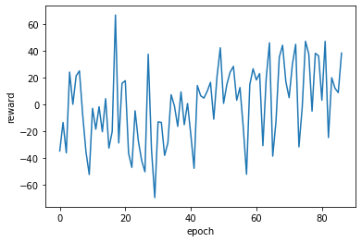
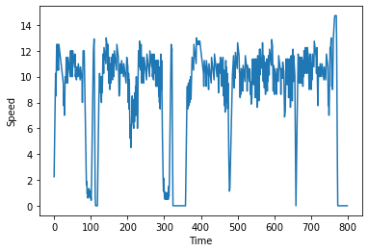
RL Training Plot for Velocity/Intersection Model | Example RL Plot (velocityp-based model) | Example Base Model Plot
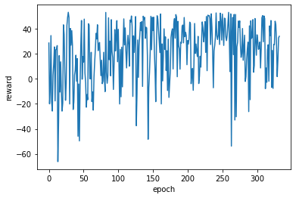
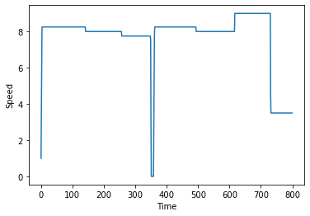
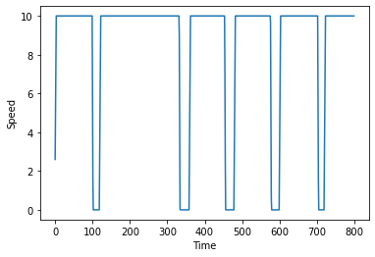

RL Training Plot for Acceleration/Time-Step Model | Example RL Plot (acceleration-based model)

Example Data
Consumption/Distance (ml/s per meter) | 84.535410724 | 87.401517476 | 80.716806822
Distance (meters) | 7045.174 | 6250.149 | 7081.999
Fuel Consumption (ml/s) | 595566.67772 | 546272.50705 | 571636.3452
 | Example Data RL-accel | Example Data Baseline | Example Data RL-velocity
 | 2.25 | 2.6 | 2.6
 | 4.25 | 5.2 | 5.2
 | 6.25 | 7.8 | 7.8
 | 8.25 | 10 | 8
 | 10.25 | 10 | 8
 | 8.5 | 10 | 8
 | 10.5 | 10 | 8
 | 12.5 | 10 | 8
 | 10.75 | 10 | 8
 | 10.5 | 10 | 8
 | 12.5 | 10 | 8
 | 10.75 | 10 | 8
 | 10.5 | 10 | 8
 | 12.5 | 10 | 8
 | 12.25 | 10 | 8
 | 12 | 10 | 8
 | 11.75 | 10 | 8
 | 11.5 | 10 | 8
 | 11.25 | 10 | 8
 | 11 | 10 | 8
 | 10.75 | 10 | 8
 | 10.5 | 10 | 8
 | 10.25 | 10 | 8
 | 10 | 10 | 8
 | 9.75 | 10 | 8
 | 9.5 | 10 | 8
 | 7.75 | 10 | 8
 | 8.75 | 10 | 8
 | 7 | 10 | 8
 | 8 | 10 | 8
 | 10 | 10 | 8
 | 9.75 | 10 | 8
 | 9.5 | 10 | 8
 | 11.5 | 10 | 8
 | 10.25 | 10 | 8
 | 10 | 10 | 8
 | 9.75 | 10 | 8
 | 9.5 | 10 | 8
 | 11.5 | 10 | 8
 | 11.25 | 10 | 8
 | 11 | 10 | 8
 | 10.75 | 10 | 8
 | 10.5 | 10 | 8
 | 10.25 | 10 | 8
 | 10 | 10 | 8
 | 12 | 10 | 8
 | 10.25 | 10 | 8
 | 10 | 10 | 8
 | 12 | 10 | 8
 | 10.25 | 10 | 8
...
 | Example Data RL-accel | Example Data RL-velocity | Example Data Baseline
 | 2.25 | 2.6 | 2.6
 | 4.25 | 5.2 | 5.2
 | 6.25 | 7.8 | 7.8
 | 8.25 | 8 | 10
 | 10.25 | 8 | 10
 | 8.5 | 8 | 10
 | 10.5 | 8 | 10
 | 12.5 | 8 | 10
 | 10.75 | 8 | 10
 | 10.5 | 8 | 10
 | 12.5 | 8 | 10
 | 10.75 | 8 | 10
 | 10.5 | 8 | 10
 | 12.5 | 8 | 10
 | 12.25 | 8 | 10
 | 12 | 8 | 10
 | 11.75 | 8 | 10
 | 11.5 | 8 | 10
 | 11.25 | 8 | 10
 | 11 | 8 | 10
 | 10.75 | 8 | 10
 | 10.5 | 8 | 10
 | 10.25 | 8 | 10
 | 10 | 8 | 10
 | 9.75 | 8 | 10
 | 9.5 | 8 | 10
 | 7.75 | 8 | 10
 | 8.75 | 8 | 10
 | 7 | 8 | 10
 | 8 | 8 | 10
 | 10 | 8 | 10
 | 9.75 | 8 | 10
 | 9.5 | 8 | 10
 | 11.5 | 8 | 10
 | 10.25 | 8 | 10
 | 10 | 8 | 10
 | 9.75 | 8 | 10
 | 9.5 | 8 | 10
 | 11.5 | 8 | 10
 | 11.25 | 8 | 10
 | 11 | 8 | 10
 | 10.75 | 8 | 10
 | 10.5 | 8 | 10
 | 10.25 | 8 | 10
 | 10 | 8 | 10
 | 12 | 8 | 10
 | 10.25 | 8 | 10
 | 10 | 8 | 10
 | 12 | 8 | 10
 | 10.25 | 8 | 10
 | 10 | 8 | 10
 | 12 | 8 | 10
 | 11.75 | 8 | 10
 | 11.5 | 8 | 10
 | 11.25 | 8 | 10
 | 11 | 8 | 10
 | 10.75 | 8 | 10
 | 11.75 | 8 | 10
 | 10 | 8 | 10
 | 10.25 | 8 | 10
 | 10 | 8 | 10
 | 9.75 | 8 | 10
 | 10.75 | 8 | 10
 | 10.5 | 8 | 10
 | 10.25 | 8 | 10
 | 10 | 8 | 10
 | 11 | 8 | 10
 | 10.75 | 8 | 10
 | 10.5 | 8 | 10
 | 10.25 | 8 | 10
 | 10 | 8 | 10
 | 9.75 | 8 | 10
 | 10.75 | 8 | 10
 | 10.5 | 8 | 10
 | 10.25 | 8 | 10
 | 10 | 8 | 10
 | 9.75 | 8 | 10
 | 8 | 8 | 10
 | 10 | 8 | 10
 | 12 | 8 | 10
 | 12 | 8 | 10
 | 12 | 8 | 10
 | 12 | 8 | 10
 | 10.25 | 8 | 10
 | 8.5 | 8 | 10
 | 6.75 | 8 | 10
 | 5 | 8 | 10
 | 3.25 | 8 | 10
 | 1.625 | 8 | 10
 | 1.875 | 8 | 10
 | 0.9375 | 8 | 10
 | 1.1875 | 8 | 10
 | 1.4375 | 8 | 10
 | 0.71875 | 8 | 10
 | 0.96875 | 8 | 10
 | 1.21875 | 8 | 10
 | 1.46875 | 8 | 10
 | 0.734375 | 8 | 10
 | 0.984375 | 8 | 10
 | 1.234375 | 8 | 9.2663333333
 | 0.6171875 | 8 | 4.7663333333
 | 1.8671875 | 8 | 0.26633333333
 | 3.8671875 | 8 | 0
 | 5.8671875 | 8 | 0
 | 7.8671875 | 8 | 0
 | 9.8671875 | 8 | 0
 | 12.1171875 | 8 | 0
 | 12.6171875 | 8 | 0
 | 13.1171875 | 8 | 0
 | 11.401229167 | 8 | 0
 | 6.9012291667 | 8 | 0
 | 2.4012291667 | 8 | 0
 | 0 | 8 | 0
 | 0 | 8 | 0
 | 0 | 8 | 0
 | 0 | 8 | 0
 | 0 | 8 | 0
 | 0 | 8 | 0
 | 0 | 8 | 0
 | 2.25 | 8 | 2.6
 | 4.25 | 8 | 5.2
 | 6.25 | 8 | 7.8
 | 8.25 | 8 | 10
 | 10.25 | 8 | 10
 | 9 | 8 | 10
 | 11 | 9.5 | 10
 | 9.75 | 9.5 | 10
 | 8.5 | 9.5 | 10
 | 10.5 | 9.5 | 10
 | 9.25 | 9.5 | 10
 | 11.25 | 9.5 | 10
 | 10 | 9.5 | 10
 | 12 | 9.5 | 10
 | 11.75 | 9.5 | 10
 | 11.5 | 9.5 | 10
 | 10.25 | 9.5 | 10
 | 12.25 | 9.5 | 10
 | 12 | 9.5 | 10
 | 11.75 | 9.5 | 10
 | 11.5 | 9.5 | 10
 | 11.25 | 9.5 | 10
 | 11 | 9.5 | 10
 | 10.75 | 9.5 | 10
 | 12.75 | 9.5 | 10
 | 12.5 | 9.5 | 10
 | 12.25 | 9.5 | 10
 | 10.5 | 9.5 | 10
 | 8.75 | 9.5 | 10
 | 10.75 | 9.5 | 10
 | 9.5 | 9.5 | 10
 | 11.5 | 9.5 | 10
 | 10.25 | 9.5 | 10
 | 10 | 9.5 | 10
 | 9.75 | 9.5 | 10
 | 8.75 | 9.5 | 10
 | 10.75 | 9.5 | 10
 | 10.5 | 9.5 | 10
 | 10.25 | 9.5 | 10
 | 10 | 9.5 | 10
 | 9.75 | 9.5 | 10
 | 11.75 | 9.5 | 10
 | 11.5 | 9.5 | 10
 | 11.25 | 9.5 | 10
 | 11 | 9.5 | 10
 | 10.75 | 9.5 | 10
 | 10.5 | 9.5 | 10
 | 10.25 | 9.5 | 10
 | 10 | 9.5 | 10
 | 9.75 | 9.5 | 10
 | 11.75 | 9.5 | 10
 | 11.5 | 9.5 | 10
 | 11.25 | 9.5 | 10
 | 11 | 9.5 | 10
 | 10.75 | 9.5 | 10
 | 10.5 | 9.5 | 10
 | 10.25 | 9.5 | 10
 | 11.25 | 9.5 | 10
 | 9.5 | 9.5 | 10
 | 10.5 | 9.5 | 10
 | 8.75 | 9.5 | 10
 | 10.75 | 9.5 | 10
 | 10.5 | 9.5 | 10
 | 10.25 | 9.5 | 10
 | 11.25 | 9.5 | 10
 | 11 | 9.5 | 10
 | 10.75 | 9.5 | 10
 | 10.5 | 9.5 | 10
 | 11.5 | 9.5 | 10
 | 10.25 | 9.5 | 10
 | 11.25 | 9.5 | 10
 | 11 | 9.5 | 10
 | 9.25 | 9.5 | 10
 | 11.25 | 9.5 | 10
 | 11 | 9.5 | 10
 | 8.25 | 9.5 | 10
 | 10.5 | 9.5 | 10
 | 7.75 | 9.5 | 10
 | 10 | 9.5 | 10
 | 7.25 | 9.5 | 10
 | 9.5 | 9.5 | 10
 | 11.5 | 9.5 | 10
 | 8.75 | 9.5 | 10
 | 11 | 9.5 | 10
 | 8.25 | 9.5 | 10
 | 10.5 | 9.5 | 10
 | 7.75 | 9.5 | 10
 | 5 | 9.5 | 10
 | 3.25 | 9.5 | 10
 | 1.625 | 9.5 | 10
 | 1.875 | 9.5 | 10
 | 0.9375 | 9.5 | 10
 | 0.46875 | 9.5 | 10
 | 0.46875 | 9.5 | 10
 | 0.46875 | 9.5 | 10
 | 0.96875 | 9.5 | 10
 | 0.484375 | 9.5 | 10
 | 0.984375 | 9.5 | 10
 | 0.4921875 | 9.5 | 10
 | 0.9921875 | 9.5 | 10
 | 0.49609375 | 9.5 | 10
 | 0.99609375 | 9.5 | 10
 | 0.498046875 | 9.5 | 10
 | 0.998046875 | 9.5 | 10
 | 0.4990234375 | 9.5 | 10
 | 1.4990234375 | 9.5 | 10
 | 0.74951171875 | 9.5 | 10
 | 2.9995117188 | 9.5 | 10
 | 5.2495117188 | 9.5 | 10
 | 7.4995117188 | 7.75 | 10
 | 9.4995117188 | 7.75 | 10
 | 11.499511719 | 7.75 | 10
 | 10.999511719 | 7.75 | 10
 | 12.999511719 | 7.75 | 10
 | 11.999511719 | 7.75 | 10
 | 11.749511719 | 7.75 | 10
 | 11.499511719 | 7.75 | 10
 | 11.249511719 | 7.75 | 10
 | 10.999511719 | 7.75 | 10
 | 10.749511719 | 7.75 | 10
 | 8.9995117188 | 7.75 | 10
 | 10.999511719 | 7.75 | 10
 | 9.7495117188 | 7.75 | 10
 | 11.749511719 | 7.75 | 10
 | 11.499511719 | 7.75 | 10
 | 10.249511719 | 7.75 | 10
 | 8.9995117188 | 7.75 | 10
 | 10.999511719 | 7.75 | 10
 | 9.7495117188 | 7.75 | 10
 | 11.749511719 | 7.75 | 10
 | 11.499511719 | 7.75 | 10
 | 10.249511719 | 7.75 | 10
 | 8.9995117188 | 7.75 | 10
 | 10.999511719 | 7.75 | 10
 | 9.7495117188 | 7.75 | 10
 | 11.749511719 | 7.75 | 10
 | 11.499511719 | 7.75 | 10
 | 11.249511719 | 7.75 | 10
 | 10.999511719 | 7.75 | 10
 | 10.749511719 | 7.75 | 10
 | 12.749511719 | 7.75 | 10
 | 12.499511719 | 7.75 | 10
 | 12.249511719 | 7.75 | 10
 | 11.999511719 | 7.75 | 10
 | 11.749511719 | 7.75 | 10
 | 11.499511719 | 7.75 | 10
 | 10.249511719 | 7.75 | 10
 | 8.4995117188 | 7.75 | 10
 | 10.499511719 | 7.75 | 10
 | 8.7495117188 | 7.75 | 10
 | 7.7495117188 | 7.75 | 10
 | 9.7495117188 | 7.75 | 10
 | 10.749511719 | 7.75 | 10
 | 10.499511719 | 7.75 | 10
 | 10.249511719 | 7.75 | 10
 | 9.9995117188 | 7.75 | 10
 | 10.999511719 | 7.75 | 10
 | 10.749511719 | 7.75 | 10
 | 10.499511719 | 7.75 | 10
 | 10.249511719 | 7.75 | 10
 | 9.9995117188 | 7.75 | 10
 | 10.999511719 | 7.75 | 10
 | 10.749511719 | 7.75 | 10
 | 10.499511719 | 7.75 | 10
 | 10.249511719 | 7.75 | 10
 | 9.9995117188 | 7.75 | 10
 | 9.7495117188 | 7.75 | 10
 | 10.749511719 | 7.75 | 10
 | 10.499511719 | 7.75 | 10
 | 10.249511719 | 7.75 | 10
 | 9.9995117188 | 7.75 | 10
 | 9.7495117188 | 7.75 | 10
 | 10.749511719 | 7.75 | 10
 | 11.749511719 | 7.75 | 10
 | 11.499511719 | 7.75 | 10
 | 11.249511719 | 7.75 | 10
 | 10.999511719 | 7.75 | 10
 | 10.749511719 | 7.75 | 10
 | 7.7495117188 | 7.75 | 10
 | 7.9995117188 | 7.75 | 10
 | 8.2495117188 | 7.75 | 10
 | 9.2495117188 | 7.75 | 10
 | 10.249511719 | 7.75 | 10
 | 11.249511719 | 7.75 | 10
 | 10.999511719 | 7.75 | 10
 | 10.749511719 | 7.75 | 10
 | 10.499511719 | 7.75 | 10
 | 10.249511719 | 7.75 | 10
 | 11.249511719 | 7.75 | 10
 | 9.9995117188 | 7.75 | 10
 | 9.7495117188 | 7.75 | 10
 | 9.4995117188 | 7.75 | 10
 | 9.2495117188 | 7.75 | 10
 | 11.249511719 | 7.75 | 10
 | 9.4995117188 | 7.75 | 10
 | 11.499511719 | 7.75 | 9.0333333333
 | 11.499511719 | 7.75 | 4.5333333333
 | 11.499511719 | 7.75 | 0.033333333333
 | 11.499511719 | 7.75 | 0
 | 11.499511719 | 7.75 | 0
 | 11.499511719 | 7.75 | 0
 | 8.9995117188 | 7.75 | 0
 | 10.999511719 | 7.75 | 0
 | 12.999511719 | 7.75 | 0
 | 11.581966146 | 7.75 | 0
 | 7.0819661458 | 7.75 | 0
 | 2.5819661458 | 7.75 | 0
 | 0 | 7.75 | 0
 | 0 | 7.75 | 0
 | 0 | 7.75 | 0
 | 0 | 7.75 | 0
 | 0 | 7.75 | 0
 | 0 | 7.75 | 0
 | 0 | 7.75 | 0
 | 0 | 7.75 | 0
 | 0 | 7.75 | 0
 | 0 | 7.75 | 0
 | 0 | 7.75 | 0
 | 0 | 7.75 | 0
 | 0 | 7.75 | 0
 | 0 | 7.75 | 0
 | 0 | 7.75 | 0
 | 0 | 7.75 | 0
 | 0 | 7.75 | 0
 | 0 | 7.75 | 0
 | 0 | 7.75 | 0
 | 0 | 7.75 | 0
 | 0 | 7.75 | 0
 | 0 | 7.75 | 0
 | 0 | 7.75 | 0
 | 0 | 7.75 | 0
 | 0 | 7.75 | 0
 | 0 | 7.75 | 0
 | 0 | 6.2495 | 0
 | 0 | 1.7495 | 0
 | 0 | 0 | 0
 | 0 | 0 | 0
 | 0 | 0 | 0
 | 0 | 0 | 0
 | 0 | 0 | 0
 | 2.25 | 2.6 | 2.6
 | 4.25 | 5.2 | 5.2
 | 6.25 | 7.8 | 7.8
 | 8.25 | 8 | 10
 | 9.25 | 8 | 10
 | 10.25 | 8 | 10
 | 8.5 | 8 | 10
 | 9.5 | 8 | 10
 | 10.5 | 8 | 10
 | 8.75 | 8 | 10
 | 9.75 | 8 | 10
 | 11.75 | 8 | 10
 | 11.5 | 8 | 10
 | 11.25 | 8 | 10
 | 11 | 8 | 10
 | 10.75 | 8 | 10
 | 12.75 | 8 | 10
 | 12.5 | 8 | 10
 | 12.25 | 8 | 10
 | 12 | 8 | 10
 | 11.75 | 8 | 10
 | 11.5 | 8 | 10
 | 11.25 | 8 | 10
 | 11 | 8 | 10
 | 10.75 | 8 | 10
 | 10.5 | 8 | 10
 | 10.25 | 8 | 10
 | 10 | 8 | 10
 | 9.75 | 8 | 10
 | 9.5 | 8 | 10
 | 11.5 | 8 | 10
 | 11.25 | 8 | 10
 | 11 | 8 | 10
 | 10 | 8 | 10
 | 11.25 | 8 | 10
 | 11 | 8 | 10
 | 10.75 | 8 | 10
 | 9.75 | 8 | 10
 | 11.75 | 8 | 10
 | 11.5 | 8 | 10
 | 11.25 | 8 | 10
 | 11 | 8 | 10
 | 10.75 | 8 | 10
 | 9.75 | 8 | 10
 | 11.75 | 8 | 10
 | 11.5 | 8 | 10
 | 11.25 | 8 | 10
 | 11 | 8 | 10
 | 10.75 | 8 | 10
 | 10.5 | 8 | 10
 | 9.5 | 8 | 10
 | 11.5 | 8 | 10
 | 11.25 | 8 | 10
 | 11 | 8 | 10
 | 10.75 | 8 | 10
 | 10.5 | 8 | 10
 | 10.25 | 8 | 10
 | 9.25 | 8 | 10
 | 11.25 | 8 | 10
 | 11 | 8 | 10
 | 10.75 | 8 | 10
 | 10.5 | 8 | 10
 | 10.25 | 8 | 10
 | 10 | 8 | 10
 | 9.75 | 8 | 10
 | 8.75 | 8 | 10
 | 10.75 | 8 | 10
 | 10.5 | 8 | 10
 | 10.25 | 8 | 10
 | 10 | 8 | 10
 | 9.75 | 8 | 10
 | 9.5 | 8 | 10
 | 11.5 | 8 | 10
 | 9.75 | 8 | 10
 | 9.5 | 8 | 10
 | 9.25 | 8 | 10
 | 11.25 | 8 | 10
 | 10 | 8 | 10
 | 8.25 | 8 | 10
 | 10.25 | 8 | 10
 | 10 | 8 | 10
 | 9.75 | 8 | 10
 | 10.75 | 8 | 10
 | 10.5 | 8 | 10
 | 10.25 | 8 | 10
 | 8.5 | 8 | 10
 | 6.75 | 8 | 10
 | 7.75 | 8 | 10
 | 6 | 8 | 10
 | 6.25 | 8 | 10
 | 6.5 | 8 | 10
 | 7.5 | 8 | 10
 | 8.5 | 8 | 10
 | 9.5 | 8 | 10
 | 10.5 | 8 | 10
 | 11.5 | 8 | 10
 | 10.25 | 8 | 10
 | 11.25 | 8 | 10
 | 8.25 | 8 | 10
 | 9.25 | 8 | 10
 | 11.25 | 8 | 10
 | 8.25 | 8 | 10
 | 8 | 8 | 10
 | 7.75 | 8 | 10
 | 7.5 | 8 | 10
 | 9.5 | 8 | 10
 | 6.75 | 8 | 10
 | 8.75 | 8 | 10
 | 10.75 | 8 | 10
 | 12.75 | 8 | 10
 | 10.75 | 8 | 10
 | 12.75 | 8 | 10
 | 12.75 | 8 | 10
 | 10.366666667 | 8 | 10
 | 5.8666666667 | 8 | 10
 | 1.3666666667 | 8 | 9.3333333333
 | 0 | 8 | 4.8333333333
 | 0 | 8 | 0.33333333333
 | 0 | 8 | 0
 | 0 | 8 | 0
 | 2.25 | 8 | 2.6
 | 4.25 | 8 | 5.2
 | 6.25 | 8 | 7.8
 | 8.25 | 8 | 10
 | 10.25 | 8 | 10
 | 9 | 8 | 10
 | 11 | 8 | 10
 | 9.75 | 8 | 10
 | 8.5 | 8 | 10
 | 10.5 | 8 | 10
 | 9.25 | 8 | 10
 | 11.25 | 8 | 10
 | 10 | 8 | 10
 | 8.75 | 8 | 10
 | 10.75 | 8 | 10
 | 9.5 | 8 | 10
 | 11.5 | 8 | 10
 | 10.25 | 8 | 10
 | 12.25 | 8 | 10
 | 12 | 8 | 10
 | 11.75 | 8 | 10
 | 11.5 | 8 | 10
 | 11.25 | 8 | 10
 | 11 | 8 | 10
 | 10.75 | 8 | 10
 | 12.75 | 7.75 | 10
 | 12.5 | 7.75 | 10
 | 12.25 | 7.75 | 10
 | 10.5 | 7.75 | 10
 | 8.75 | 7.75 | 10
 | 10.75 | 7.75 | 10
 | 9.5 | 7.75 | 10
 | 11.5 | 7.75 | 10
 | 10.25 | 7.75 | 10
 | 10 | 7.75 | 10
 | 9.75 | 7.75 | 10
 | 9.5 | 7.75 | 10
 | 11.5 | 7.75 | 10
 | 10.25 | 7.75 | 10
 | 10 | 7.75 | 10
 | 9.75 | 7.75 | 10
 | 9.5 | 7.75 | 10
 | 11.5 | 7.75 | 10
 | 11.25 | 7.75 | 10
 | 11 | 7.75 | 10
 | 10.75 | 7.75 | 10
 | 10.5 | 7.75 | 10
 | 10.25 | 7.75 | 10
 | 10 | 7.75 | 10
 | 12 | 7.75 | 10
 | 10.25 | 7.75 | 10
 | 10 | 7.75 | 10
 | 12 | 7.75 | 10
 | 11.75 | 7.75 | 10
 | 11.5 | 7.75 | 10
 | 11.25 | 7.75 | 10
 | 11 | 7.75 | 10
 | 10.75 | 7.75 | 10
 | 10.5 | 7.75 | 10
 | 11.5 | 7.75 | 10
 | 9.75 | 7.75 | 10
 | 10.75 | 7.75 | 10
 | 10.5 | 7.75 | 10
 | 10.25 | 7.75 | 10
 | 10 | 7.75 | 10
 | 11 | 7.75 | 10
 | 10.75 | 7.75 | 10
 | 10.5 | 7.75 | 10
 | 10.25 | 7.75 | 10
 | 11.25 | 7.75 | 10
 | 11 | 7.75 | 10
 | 9.25 | 7.75 | 10
 | 11.25 | 7.75 | 10
 | 11 | 7.75 | 10
 | 9.25 | 7.75 | 10
 | 9 | 7.75 | 10
 | 7.25 | 7.75 | 10
 | 9.5 | 7.75 | 10
 | 11.5 | 7.75 | 10
 | 10.25 | 7.75 | 10
 | 7.5 | 7.75 | 10
 | 9.75 | 7.75 | 10
 | 11.75 | 7.75 | 10
 | 9 | 7.75 | 10
 | 11.25 | 7.75 | 10
 | 8.5 | 7.75 | 10
 | 10.75 | 7.75 | 10
 | 8 | 7.75 | 10
 | 6.25 | 7.75 | 10
 | 4.5 | 7.75 | 10
 | 2.75 | 7.75 | 10
 | 3 | 7.75 | 10
 | 2.75 | 7.75 | 10
 | 1.5 | 7.75 | 10
 | 0.75 | 7.75 | 10
 | 0.375 | 7.75 | 10
 | 0.875 | 7.75 | 10
 | 0.4375 | 7.75 | 10
 | 0.9375 | 7.75 | 10
 | 0.46875 | 7.75 | 10
 | 0.96875 | 7.75 | 10
 | 1.96875 | 7.75 | 10
 | 0.984375 | 7.75 | 7.5
 | 1.984375 | 7.75 | 3
 | 3.984375 | 7.75 | 0
 | 5.984375 | 7.75 | 0
 | 8.234375 | 7.75 | 0
 | 10.234375 | 7.75 | 0
 | 12.234375 | 7.75 | 0
 | 11.234375 | 7.75 | 0
 | 10.234375 | 7.75 | 0
 | 12.234375 | 7.75 | 0
 | 8.2375 | 7.75 | 0
 | 3.7375 | 7.75 | 0
 | 0 | 7.75 | 0
 | 0 | 7.75 | 0
 | 0 | 7.75 | 0
 | 0 | 7.75 | 0
 | 0 | 7.75 | 0
 | 0 | 7.75 | 0
 | 0 | 7.75 | 0
 | 2.25 | 7.75 | 2.6
 | 4.25 | 7.75 | 5.2
 | 6.25 | 7.75 | 7.8
 | 8.25 | 7.75 | 10
 | 10.25 | 7.75 | 10
 | 10 | 7.75 | 10
 | 9.75 | 7.75 | 10
 | 9.5 | 7.75 | 10
 | 11.5 | 7.75 | 10
 | 11.25 | 7.75 | 10
 | 11 | 7.75 | 10
 | 10.75 | 7.75 | 10
 | 10.5 | 7.75 | 10
 | 10.25 | 7.75 | 10
 | 10 | 7.75 | 10
 | 12 | 7.75 | 10
 | 11.75 | 7.75 | 10
 | 11.5 | 7.75 | 10
 | 11.25 | 7.75 | 10
 | 11 | 7.75 | 10
 | 10.75 | 7.75 | 10
 | 10.5 | 7.75 | 10
 | 10.25 | 7.75 | 10
 | 12.25 | 7.75 | 10
 | 12 | 7.75 | 10
 | 11.75 | 7.75 | 10
 | 11.5 | 7.75 | 10
 | 9.75 | 7.75 | 10
 | 8 | 7.75 | 10
 | 9 | 7.75 | 10
 | 10 | 7.75 | 10
 | 11 | 7.75 | 10
 | 10.75 | 7.75 | 10
 | 10.5 | 7.75 | 10
 | 10.25 | 5.8 | 10
 | 10 | 1.3 | 10
 | 11 | 0 | 10
 | 10.75 | 0 | 10
 | 10.5 | 0 | 10
 | 10.25 | 0 | 10
 | 10 | 0 | 10
 | 9.75 | 0 | 10
 | 9.5 | 0 | 10
 | 9.25 | 0 | 10
 | 10.25 | 0 | 10
 | 10 | 0 | 10
 | 9.75 | 0 | 10
 | 9.5 | 0 | 10
 | 7.75 | 0 | 10
 | 10 | 0 | 10
 | 12 | 0 | 10
 | 11.75 | 0 | 10
 | 10.5 | 0 | 10
 | 7.75 | 0 | 10
 | 10 | 0 | 10
 | 7.25 | 0 | 10
 | 9.5 | 0 | 10
 | 6.75 | 0 | 10
 | 5 | 0 | 10
 | 6 | 0 | 10
 | 4.25 | 2.6 | 10
 | 4 | 5.2 | 10
 | 3.75 | 7.8 | 10
 | 3.5 | 8.5 | 10
 | 3.25 | 8.5 | 10
 | 3 | 8.5 | 10
 | 2.75 | 8.5 | 10
 | 2.5 | 8.5 | 10
 | 2.25 | 8.5 | 10
 | 1.125 | 8.5 | 10
 | 2.125 | 8.5 | 10
 | 4.125 | 8.5 | 10
 | 6.125 | 8.5 | 10
 | 8.125 | 8.5 | 10
 | 10.125 | 8.5 | 10
 | 12.125 | 8.5 | 10
 | 11.875 | 8.5 | 10
 | 10.875 | 8.5 | 10
 | 9.875 | 8.5 | 10
 | 11.875 | 8.5 | 10
 | 12.375 | 8.5 | 10
 | 11.375 | 8.5 | 10
 | 10.125 | 8.5 | 10
 | 8.375 | 8.5 | 10
 | 9.375 | 8.5 | 10
 | 7.625 | 8.5 | 10
 | 8.625 | 8.5 | 10
 | 9.625 | 8.5 | 10
 | 7.875 | 8.5 | 10
 | 8.875 | 8.5 | 10
 | 9.875 | 8.5 | 10
 | 8.125 | 8.5 | 10
 | 9.125 | 8.5 | 10
 | 10.125 | 8.5 | 10
 | 8.375 | 8.5 | 10
 | 9.375 | 8.5 | 10
 | 7.625 | 8.5 | 10
 | 8.625 | 8.5 | 10
 | 9.625 | 8.5 | 10
 | 7.875 | 8.5 | 10
 | 8.875 | 8.5 | 10
 | 9.875 | 8.5 | 10
 | 8.125 | 8.5 | 10
 | 9.125 | 8.5 | 10
 | 10.125 | 8.5 | 10
 | 8.375 | 8.5 | 10
 | 10.375 | 8.5 | 10
 | 12.375 | 8.5 | 10
 | 12.125 | 8.5 | 10
 | 11.875 | 8.5 | 10
 | 11.625 | 8.5 | 10
 | 11.375 | 8.5 | 10
 | 11.125 | 8.5 | 10
 | 10.875 | 8.5 | 10
 | 12.875 | 8.5 | 10
 | 12.625 | 8.5 | 10
 | 12.375 | 8.5 | 10
 | 10.625 | 8.5 | 10
 | 12.625 | 8.5 | 10
 | 10.875 | 8.5 | 10
 | 9.125 | 8.5 | 10
 | 11.125 | 8.5 | 10
 | 9.875 | 8.5 | 10
 | 10.875 | 8.5 | 10
 | 10.625 | 8.5 | 10
 | 10.375 | 8.5 | 10
 | 10.125 | 8.5 | 10
 | 9.875 | 8.5 | 10
 | 10.875 | 8.5 | 10
 | 10.625 | 8.5 | 10
 | 10.375 | 8.5 | 10
 | 10.125 | 8.5 | 10
 | 12.125 | 8.5 | 10
 | 11.875 | 8.5 | 10
 | 11.625 | 8.5 | 10
 | 11.375 | 8.5 | 10
 | 11.125 | 8.5 | 10
 | 10.875 | 8.5 | 10
 | 10.625 | 8.5 | 10
 | 10.375 | 8.5 | 10
 | 10.125 | 8.5 | 10
 | 9.875 | 8.5 | 10
 | 9.625 | 8.5 | 10
 | 9.375 | 8.5 | 10
 | 7.625 | 8.5 | 10
 | 8.625 | 8.5 | 10
 | 9.625 | 8.5 | 10
 | 7.875 | 7.75 | 10
 | 8.875 | 7.75 | 10
 | 7.125 | 7.75 | 10
 | 8.125 | 7.75 | 10
 | 9.125 | 7.75 | 10
 | 10.125 | 7.75 | 10
 | 11.375 | 7.75 | 10
 | 11.125 | 7.75 | 10
 | 10.875 | 7.75 | 10
 | 10.625 | 7.75 | 10
 | 10.375 | 7.75 | 10
 | 10.125 | 7.75 | 10
 | 11.375 | 7.75 | 10
 | 11.125 | 7.75 | 10
 | 10.875 | 7.75 | 10
 | 10.625 | 7.75 | 10
 | 10.375 | 7.75 | 10
 | 10.125 | 7.75 | 10
 | 9.875 | 7.75 | 10
 | 11.125 | 7.75 | 10
 | 10.875 | 7.75 | 10
 | 10.625 | 7.75 | 10
 | 10.375 | 7.75 | 10
 | 10.125 | 7.75 | 10
 | 9.875 | 7.75 | 10
 | 11.125 | 7.75 | 10
 | 10.875 | 7.75 | 10
 | 10.625 | 7.75 | 10
 | 10.375 | 7.75 | 10
 | 11.375 | 7.75 | 10
 | 11.125 | 7.75 | 10
 | 10.875 | 7.75 | 10
 | 10.625 | 7.75 | 10
 | 10.375 | 7.75 | 10
 | 11.375 | 7.75 | 10
 | 11.125 | 7.75 | 10
 | 10.875 | 7.75 | 10
 | 10.625 | 7.75 | 10
 | 9.375 | 7.75 | 10
 | 10.375 | 7.75 | 10
 | 9.125 | 7.75 | 10
 | 10.125 | 7.75 | 10
 | 8.875 | 7.75 | 10
 | 10.875 | 7.75 | 10
 | 9.625 | 7.75 | 10
 | 11.625 | 7.75 | 10
 | 11.625 | 7.75 | 10
 | 11.625 | 7.75 | 10
 | 11.625 | 7.75 | 10
 | 11.625 | 7.75 | 10
 | 11.625 | 7.75 | 10
 | 10.625 | 7.75 | 5.55
 | 8.125 | 7.75 | 1.05

Example Data PHEMlight
Consumption/Distance (ml/s per meter) | 93.920859262 | 82.311649592 | 58.023863725
Distance (meters) | 7169.499 | 7030.999 | 6742.199
Fuel Consumption (ml/s) | 673365.50656 | 578733.12597 | 391208.43598
 | Example Data RL-accel | Example Data Baseline | Example Data RL-velocity
 | 2.25 | 2.6 | 2.6
 | 4.25 | 5.2 | 5.2
 | 6.25 | 7.8 | 7.8
 | 8.25 | 10.4 | 10.4
 | 10.25 | 13 | 13
 | 10 | 15.6 | 15.6
 | 9.75 | 18.2 | 18.2
 | 10.75 | 20 | 20.8
 | 10.5 | 20 | 23.4
 | 10.25 | 20 | 26
 | 10 | 20 | 28.6
 | 12 | 20 | 29
 | 11.75 | 20 | 29
 | 11.5 | 20 | 29
 | 11.25 | 20 | 29
 | 11 | 20 | 29
 | 10.75 | 20 | 29
 | 10.5 | 20 | 29
 | 10.25 | 20 | 29
 | 10 | 20 | 29
 | 9.75 | 20 | 29
 | 9.5 | 20 | 29
 | 9.25 | 20 | 29
 | 7.5 | 20 | 29
 | 8.5 | 20 | 29
 | 9.5 | 20 | 29
 | 7.75 | 20 | 29
 | 8.75 | 20 | 29
 | 7 | 20 | 29
 | 7.25 | 20 | 29
 | 9.25 | 20 | 28.114142857
 | 11.25 | 20 | 23.614142857
 | 11 | 20 | 19.114142857
 | 10.75 | 20 | 14.614142857
 | 10.5 | 20 | 10.114142857
 | 10.25 | 20 | 5.6141428571
 | 10 | 20 | 1.1141428571
 | 9.75 | 20 | 0
 | 9.5 | 20 | 0
 | 11.5 | 20 | 0
 | 11.25 | 20 | 0
 | 11 | 20 | 0
 | 10.75 | 19.4198 | 0
 | 10.5 | 14.9198 | 0
 | 10.25 | 10.4198 | 0
 | 8.5 | 5.9198 | 0
 | 10.5 | 1.4198 | 0
 | 8.75 | 0 | 0
 | 10.75 | 0 | 0
 | 10.5 | 0 | 0
...
 | Example Data RL-accel | Example Data RL-velocity | Example Data Baseline
 | 2.25 | 2.6 | 2.6
 | 4.25 | 5.2 | 5.2
 | 6.25 | 7.8 | 7.8
 | 8.25 | 10.4 | 10.4
 | 10.25 | 13 | 13
 | 10 | 15.6 | 15.6
 | 9.75 | 18.2 | 18.2
 | 10.75 | 20.8 | 20
 | 10.5 | 23.4 | 20
 | 10.25 | 26 | 20
 | 10 | 28.6 | 20
 | 12 | 29 | 20
 | 11.75 | 29 | 20
 | 11.5 | 29 | 20
 | 11.25 | 29 | 20
 | 11 | 29 | 20
 | 10.75 | 29 | 20
 | 10.5 | 29 | 20
 | 10.25 | 29 | 20
 | 10 | 29 | 20
 | 9.75 | 29 | 20
 | 9.5 | 29 | 20
 | 9.25 | 29 | 20
 | 7.5 | 29 | 20
 | 8.5 | 29 | 20
 | 9.5 | 29 | 20
 | 7.75 | 29 | 20
 | 8.75 | 29 | 20
 | 7 | 29 | 20
 | 7.25 | 29 | 20
 | 9.25 | 28.114142857 | 20
 | 11.25 | 23.614142857 | 20
 | 11 | 19.114142857 | 20
 | 10.75 | 14.614142857 | 20
 | 10.5 | 10.114142857 | 20
 | 10.25 | 5.6141428571 | 20
 | 10 | 1.1141428571 | 20
 | 9.75 | 0 | 20
 | 9.5 | 0 | 20
 | 11.5 | 0 | 20
 | 11.25 | 0 | 20
 | 11 | 0 | 20
 | 10.75 | 0 | 19.4198
 | 10.5 | 0 | 14.9198
 | 10.25 | 0 | 10.4198
 | 8.5 | 0 | 5.9198
 | 10.5 | 0 | 1.4198
 | 8.75 | 0 | 0
 | 10.75 | 0 | 0
 | 10.5 | 0 | 0
 | 10.25 | 0 | 0
 | 10 | 0 | 0
 | 11 | 0 | 0
 | 10.75 | 0 | 0
 | 10.5 | 0 | 0
 | 8.75 | 0 | 0
 | 7 | 0 | 0
 | 7.25 | 0 | 0
 | 7.5 | 0 | 0
 | 7.75 | 2.6 | 2.6
 | 8.75 | 5.2 | 5.2
 | 9.75 | 7.8 | 7.8
 | 10.75 | 10.4 | 10.4
 | 10.5 | 13 | 13
 | 10.25 | 15.6 | 15.6
 | 11.25 | 18.2 | 18.2
 | 10 | 20.8 | 20
 | 9.75 | 23.4 | 20
 | 9.5 | 26 | 20
 | 9.25 | 28.6 | 20
 | 11.25 | 31 | 20
 | 10 | 31 | 20
 | 12 | 31 | 20
 | 11.75 | 31 | 20
 | 11.75 | 31 | 20
 | 11.75 | 31 | 20
 | 11.75 | 31 | 20
 | 11.75 | 31 | 20
 | 11.75 | 31 | 20
 | 10.75 | 31 | 20
 | 12.75 | 31 | 20
 | 11.75 | 31 | 20
 | 10.75 | 31 | 20
 | 10 | 31 | 20
 | 12 | 31 | 20
 | 11.75 | 31 | 20
 | 11.5 | 31 | 20
 | 11.25 | 31 | 20
 | 11 | 31 | 20
 | 12.5 | 31 | 20
 | 10.75 | 31 | 20
 | 9 | 31 | 20
 | 10 | 31 | 20
 | 8.25 | 31 | 20
 | 10.25 | 31 | 20
 | 8.5 | 31 | 20
 | 9.5 | 31 | 20
 | 10.5 | 31 | 20
 | 8.75 | 31 | 20
 | 10.75 | 31 | 20
 | 9 | 31 | 20
 | 11 | 31 | 20
 | 10.75 | 31 | 20
 | 12.75 | 33.6 | 20
 | 12.5 | 36.2 | 20
 | 12.25 | 38.8 | 20
 | 12 | 39 | 20
 | 11.75 | 39 | 20
 | 11.5 | 39 | 20
 | 11.25 | 39 | 20
 | 11 | 39 | 20
 | 10.75 | 39 | 20
 | 10.5 | 39 | 20
 | 10.25 | 39 | 20
 | 10 | 39 | 20
 | 9.75 | 39 | 20
 | 9.5 | 39 | 20
 | 9.25 | 39 | 20
 | 7.5 | 39 | 20
 | 8.5 | 39 | 20
 | 10.5 | 39 | 20
 | 9.25 | 39 | 20
 | 11.25 | 39 | 20
 | 10 | 39 | 20
 | 9.75 | 39 | 20
 | 9.5 | 39 | 20
 | 11.5 | 36.555555556 | 20
 | 10.25 | 32.055555556 | 20
 | 10 | 27.555555556 | 20
 | 9.75 | 23.055555556 | 20
 | 11.75 | 18.555555556 | 20
 | 11.5 | 14.055555556 | 20
 | 10.25 | 9.5555555556 | 20
 | 10 | 5.0555555556 | 20
 | 12 | 0.55555555556 | 20
 | 11.75 | 0 | 20
 | 11.5 | 0 | 20
 | 11.25 | 0 | 20
 | 11 | 0 | 20
 | 10.75 | 0 | 20
 | 10.5 | 0 | 20
 | 12.5 | 0 | 20
 | 12.25 | 0 | 20
 | 12 | 0 | 20
 | 11.75 | 0 | 20
 | 11.5 | 0 | 20
 | 10.25 | 0 | 20
 | 8.5 | 0 | 20
 | 8.75 | 0 | 20
 | 9 | 0 | 20
 | 11 | 0 | 20
 | 10.75 | 0 | 20
 | 10.5 | 0 | 20
 | 10.25 | 0 | 20
 | 10 | 0 | 20
 | 9.75 | 0 | 20
 | 9.5 | 0 | 20
 | 9.25 | 0 | 20
 | 11.25 | 0 | 20
 | 11 | 0 | 20
 | 10.75 | 0 | 20
 | 10.5 | 0 | 20
 | 10.25 | 0 | 20
 | 10 | 0 | 20
 | 9.75 | 0 | 20
 | 9.5 | 0 | 20
 | 10.5 | 0 | 20
 | 10.25 | 0 | 20
 | 10 | 0 | 20
 | 9.75 | 0 | 20
 | 8 | 0 | 20
 | 10 | 0 | 20
 | 12 | 0 | 20
 | 10.25 | 0 | 16.1
 | 8.5 | 0 | 11.6
 | 6.75 | 0 | 7.1
 | 5 | 0 | 2.6
 | 5.25 | 0 | 0
 | 5.5 | 0 | 0
 | 5.75 | 2.6 | 2.6
 | 6.75 | 5.2 | 5.2
 | 7.75 | 7.8 | 7.8
 | 8.75 | 10.4 | 10.4
 | 9.75 | 13 | 13
 | 10.75 | 15.6 | 15.6
 | 9 | 18.2 | 18.2
 | 8.75 | 20.8 | 20
 | 8.5 | 23.4 | 20
 | 8.25 | 26 | 20
 | 8 | 28.6 | 20
 | 7.75 | 29 | 20
 | 7.5 | 29 | 20
 | 7.25 | 29 | 20
 | 7 | 29 | 20
 | 6.75 | 29 | 20
 | 8.75 | 29 | 20
 | 11 | 29 | 20
 | 11.5 | 29 | 20
 | 12 | 29 | 20
 | 12.5 | 29 | 20
 | 11.5 | 29 | 20
 | 11.25 | 29 | 20
 | 11 | 29 | 20
 | 13 | 29 | 20
 | 12.75 | 29 | 20
 | 12.5 | 29 | 20
 | 12.25 | 29 | 20
 | 12 | 29 | 20
 | 11.75 | 29 | 20
 | 11.5 | 27.285714286 | 20
 | 10.25 | 22.785714286 | 20
 | 9 | 18.285714286 | 20
 | 11 | 13.785714286 | 20
 | 9.75 | 9.2857142857 | 20
 | 11.75 | 4.7857142857 | 20
 | 11.5 | 0.28571428571 | 20
 | 10.25 | 0 | 20
 | 9 | 0 | 20
 | 11 | 0 | 20
 | 9.75 | 0 | 20
 | 11.75 | 0 | 20
 | 11.5 | 0 | 18.26
 | 10.25 | 0 | 13.76
 | 9 | 0 | 9.26
 | 11 | 0 | 4.76
 | 9.75 | 0 | 0.26
 | 11.75 | 0 | 0
 | 11.5 | 0 | 0
 | 11.25 | 0 | 0
 | 11 | 0 | 0
 | 10.75 | 0 | 0
 | 12.75 | 0 | 0
 | 12.5 | 0 | 0
 | 12.25 | 0 | 0
 | 12 | 0 | 0
 | 11.75 | 0 | 0
 | 10.5 | 0 | 0
 | 8.75 | 0 | 0
 | 10.75 | 0 | 0
 | 9.5 | 2.6 | 2.6
 | 11.5 | 5.2 | 5.2
 | 11.25 | 7.8 | 7.8
 | 11 | 10.4 | 10.4
 | 10.75 | 13 | 13
 | 10.5 | 15.6 | 15.6
 | 10.25 | 18.2 | 18.2
 | 10 | 20.8 | 20
 | 9.75 | 23.4 | 20
 | 9.5 | 26 | 20
 | 11.5 | 28.6 | 20
 | 11.25 | 31 | 20
 | 11 | 31 | 20
 | 10.75 | 31 | 20
 | 10.5 | 31 | 20
 | 10.25 | 31 | 20
 | 10 | 31 | 20
 | 9.75 | 31 | 20
 | 11.75 | 31 | 20
 | 11.5 | 31 | 20
 | 11.25 | 31 | 20
 | 11 | 31 | 20
 | 10.75 | 31 | 20
 | 10.5 | 31 | 20
 | 10.25 | 31 | 20
 | 10 | 31 | 20
 | 11 | 31 | 20
 | 10.75 | 31 | 20
 | 10.5 | 31 | 20
 | 9.5 | 31 | 20
 | 7.75 | 31 | 20
 | 9.75 | 31 | 20
 | 11.75 | 31 | 20
 | 10.5 | 31 | 20
 | 11.5 | 31 | 20
 | 10.25 | 31 | 20
 | 11.25 | 31 | 20
 | 11 | 31 | 20
 | 9.25 | 31 | 20
 | 11.25 | 31 | 20
 | 9.5 | 31 | 20
 | 11.5 | 27.428571429 | 20
 | 10.25 | 22.928571429 | 20
 | 7.5 | 18.428571429 | 20
 | 8.5 | 13.928571429 | 20
 | 10.5 | 9.4285714286 | 20
 | 7.75 | 4.9285714286 | 20
 | 9.75 | 0.42857142857 | 20
 | 11.75 | 0 | 20
 | 8.75 | 0 | 20
 | 11 | 0 | 20
 | 8.25 | 0 | 20
 | 10.5 | 0 | 20
 | 7.75 | 0 | 20
 | 9.75 | 0 | 20
 | 11.75 | 0 | 20
 | 9 | 0 | 20
 | 11 | 0 | 20
 | 10.5 | 0 | 20
 | 10 | 0 | 20
 | 9.5 | 2.6 | 20
 | 11.5 | 5.2 | 20
 | 8.2995 | 7.8 | 20
 | 3.7995 | 10.4 | 20
 | 0 | 13 | 20
 | 0 | 15.6 | 20
 | 0 | 18.2 | 20
 | 0 | 20.8 | 20
 | 0 | 23.4 | 20
 | 0 | 26 | 20
 | 0 | 28.6 | 20
 | 0 | 31 | 20
 | 0 | 31 | 20
 | 0 | 31 | 20
 | 0 | 31 | 20
 | 0 | 31 | 20
 | 0 | 31 | 20
 | 0 | 31 | 20
 | 0 | 31 | 20
 | 0 | 31 | 20
 | 0 | 31 | 20
 | 0 | 31 | 20
 | 0 | 31 | 20
 | 0 | 31 | 20
 | 0 | 31 | 20
 | 0 | 31 | 20
 | 0 | 31 | 20
 | 0 | 31 | 20
 | 0 | 31 | 20
 | 0 | 31 | 20
 | 0 | 31 | 20
 | 0 | 28.428571429 | 20
 | 0 | 23.928571429 | 20
 | 0 | 19.428571429 | 20
 | 0 | 14.928571429 | 20
 | 0 | 10.428571429 | 20
 | 0 | 5.9285714286 | 20
 | 0 | 1.4285714286 | 20
 | 0 | 0 | 20
 | 0 | 0 | 20
 | 0 | 0 | 20
 | 0 | 0 | 20
 | 0 | 0 | 20
 | 0 | 0 | 20
 | 0 | 0 | 20
 | 0 | 0 | 20
 | 0 | 0 | 17.35
 | 0 | 0 | 12.85
 | 0 | 0 | 8.35
 | 0 | 0 | 3.85
 | 0 | 0 | 0
 | 0 | 0 | 0
 | 0 | 0 | 0
 | 0 | 0 | 0
 | 0 | 0 | 0
 | 0 | 0 | 0
 | 0 | 0 | 0
 | 0 | 0 | 0
 | 0 | 0 | 0
 | 0 | 0 | 0
 | 2.25 | 2.6 | 2.6
 | 4.25 | 5.2 | 5.2
 | 6.25 | 7.8 | 7.8
 | 8.25 | 10.4 | 10.4
 | 10.25 | 13 | 13
 | 8.5 | 15.6 | 15.6
 | 10.5 | 18.2 | 18.2
 | 10.25 | 20.8 | 20
 | 10 | 23.4 | 20
 | 9.75 | 26 | 20
 | 10.75 | 28.6 | 20
 | 10.5 | 29 | 20
 | 10.25 | 29 | 20
 | 10 | 29 | 20
 | 12 | 29 | 20
 | 11.75 | 29 | 20
 | 11.5 | 29 | 20
 | 11.25 | 29 | 20
 | 11 | 29 | 20
 | 10.75 | 29 | 20
 | 10.5 | 29 | 20
 | 10.25 | 29 | 20
 | 10 | 29 | 20
 | 9.75 | 29 | 20
 | 9.5 | 29 | 20
 | 7.75 | 29 | 20
 | 8.75 | 29 | 20
 | 9.75 | 29 | 20
 | 8 | 29 | 20
 | 9 | 29 | 20
 | 7.25 | 29 | 20
 | 8.25 | 29 | 20
 | 9.25 | 29 | 20
 | 10.25 | 29 | 20
 | 10 | 29 | 20
 | 11.25 | 29 | 20
 | 11 | 29 | 20
 | 10.75 | 29 | 20
 | 10.5 | 29 | 20
 | 10.25 | 29 | 20
 | 10 | 29 | 20
 | 9.75
 | 11
 | 10.75
 | 10.5
 | 10.25
 | 10
 | 10.25
 | 10
 | 10.25
 | 10
 | 10.25
 | 10.5
 | 10.25
 | 10.5
 | 10.75
 | 10.5
 | 10.25
 | 11.25
 | 11
 | 10.75
 | 10.5
 | 10.25
 | 10
 | 9.75
 | 10.75
 | 9.5
 | 8.25
 | 9.25
 | 8
 | 10
 | 8.75
 | 10.75
 | 9.5
 | 11.5
 | 11.5
 | 11.5
 | 10.5
 | 8
 | 10
 | 12
 | 12.5
 | 11.5
 | 11.25
 | 11
 | 13
 | 12.75
 | 12.5
 | 12.25
 | 12.25
 | 10.5
 | 8.75
 | 9.75
 | 8
 | 10
 | 8.25
 | 10.25
 | 8.5
 | 9.5
 | 10.5
 | 8.75
 | 10.75
 | 10.5
 | 12.5
 | 10.75
 | 12.75
 | 12.5
 | 12.25
 | 12
 | 11.75
 | 11.5
 | 11.25
 | 11
 | 10.75
 | 10.5
 | 10.25
 | 10
 | 9.75
 | 9.5
 | 7.75
 | 8.75
 | 10.75
 | 9.5
 | 11.5
 | 10.25
 | 9
 | 11
 | 9.75
 | 9.5
 | 11.5
 | 10.25
 | 10
 | 9.75
 | 11.75
 | 11.5
 | 11.25
 | 11
 | 10.75
 | 10.5
 | 12.5
 | 12.25
 | 12
 | 11.75
 | 11.5
 | 10.25
 | 12.25
 | 12
 | 10.25
 | 8.5
 | 6.75
 | 7
 | 9
 | 11
 | 10.75
 | 10.5
 | 10.25
 | 10
 | 9.75
 | 9.5
 | 9.25
 | 11.25
 | 11
 | 10.75
 | 10.5
 | 10.25
 | 10
 | 9.75
 | 9.5
 | 7.75
 | 9.75
 | 10.75
 | 10.5
 | 10.25
 | 10
 | 12
 | 10.25
 | 8.5
 | 6.75
 | 5
 | 5.25
 | 5.5
 | 6.5
 | 7.5
 | 8.5
 | 9.5
 | 10.5
 | 8.75
 | 9.75
 | 7
 | 6.75
 | 6.5
 | 6.25
 | 6
 | 8
 | 7.75
 | 7.5
 | 9.5
 | 11.75
 | 12.25
 | 12.75
 | 12.75
 | 11.75
 | 10.75
 | 10.5
 | 10.25
 | 10
 | 9.75
 | 9.5
 | 9.25
 | 11.25
 | 11
 | 9.75
 | 11.75
 | 10.5
 | 9.25
 | 11.25
 | 10
 | 8.75
 | 10.75
 | 9.5
 | 11.5
 | 10.25
 | 10
 | 12
 | 11.75
 | 11.5
 | 11.25
 | 11
 | 10.75
 | 10.5
 | 12.5
 | 12.25
 | 12
 | 11.75
 | 11.5
 | 11.25
 | 11
 | 10.75
 | 10.5
 | 8.75
 | 7
 | 7.25
 | 9.25
 | 11.25
 | 11
 | 10.75
 | 10.5
 | 10.25
 | 10
 | 9.75
 | 9.5
 | 11.5
 | 9.75
 | 9.5
 | 9.25
 | 10.25
 | 10
 | 9.75
 | 9.5
 | 7.75
 | 9.75
 | 10.75
 | 10.5
 | 10.25
 | 12.25
 | 10.5
 | 8.75
 | 7
 | 5.25
 | 5.5
 | 5.75
 | 6.75
 | 7.75
 | 8.75
 | 9.75
 | 10.75
 | 9
 | 10
 | 8.25
 | 8
 | 7.75
 | 7.5
 | 7.25
 | 7
 | 6.75
 | 6.5
 | 6.25
 | 8.25
 | 10.25
 | 12.25
 | 12.75
 | 12.75
 | 9.4333333333
 | 4.9333333333
 | 0.43333333333
 | 0
 | 0
 | 0
 | 0
 | 0
 | 0
 | 2.25
 | 4.25
 | 6.25
 | 8.25
 | 10.25
 | 12.25
 | 12
 | 11.75
 | 11.5
 | 11.25
 | 9.5
 | 11.5
 | 11.25
 | 9.5
 | 11.5
 | 11.25
 | 11
 | 9.25
 | 11.25
 | 11
 | 9.25
 | 11.25
 | 10
 | 12
 | 11.75
 | 11.5
 | 10.25
 | 12.25
 | 12
 | 11.75
 | 11.5
 | 10.25
 | 9
 | 11
 | 9.75
 | 11.75
 | 10.5
 | 9.25
 | 11.25
 | 10
 | 8.75
 | 10.75
 | 9.5
 | 11.5
 | 10.25
 | 12.25
 | 12
 | 11.75
 | 11.5
 | 11.25
 | 11
 | 10.75
 | 12.75
 | 12.5
 | 12.25
 | 10.5
 | 8.75
 | 10.75
 | 9.5
 | 8.5
 | 10.5
 | 10.25
 | 10
 | 11
 | 10.75
 | 10.5
 | 10.25
 | 10
 | 11
 | 10.75
 | 10.5
 | 10.25
 | 10
 | 11
 | 10.75
 | 10.5
 | 10.25
 | 10
 | 9.75
 | 9.5
 | 10.5
 | 11.5
 | 12.5
 | 12.25
 | 12
 | 11.75
 | 10.5
 | 7.75
 | 6
 | 7
 | 8.25
 | 10.25
 | 12.25
 | 12.75
 | 13.25
 | 13.75
 | 14.25
 | 14.75
 | 15
 | 15
 | 15
 | 15
 | 15
 | 15
 | 15
 | 15
 | 11.616666667
 | 7.1166666667
 | 2.6166666667
 | 0
 | 0
 | 0
 | 0
 | 0
 | 0
 | 0
 | 0
 | 0
 | 0
 | 0
 | 0
 | 0
 | 0
 | 0
 | 0
 | 0
 | 0
 | 0
 | 0
 | 0
 | 0
 | 0
 | 0
 | 0
 | 0
 | 0
 | 0
 | 0
 | 0
 | 0

Table for PHEMlight V2
 | Base |  | RL Agent Velocity-Based |  | RL Agent Acceleration-Based | Training for RL Velocity-Based
 | This vehicle attempts to drive 10 m/s at all times |  | This vehicle uses an RL model to find the best speed to satisfy the reward function which keeps the vehicle as close to 10 m/s as possible for the entire drive. Calculated at every intersection. |  | RL Model to find best acceleration to keep vehicle as close to 10 m/s as possible for the entire drive. Calculated every time step. | 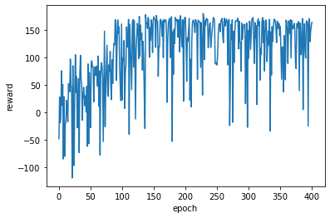
Trial | Fuel Consumption per Meter | Reward | Fuel Consumption per Meter | Reward | Fuel Consumption per Meter
1 | 61.54 |  | 49.11 |  | 116.56
2 | 55.14 |  | 45.37 |  | 113.24
3 | 55.68 |  | 47.52 |  | 117.56
4 | 58.95 |  | 50.13 |  | 116.40
5 | 57.88 |  | 47.97 |  | 121.19
6 | 57.56 |  | 45.21 |  | 113.41
7
8
9 |  |  |  |  |  | Training Plot for Acceleration Based
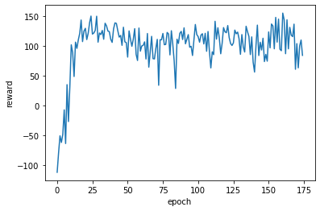
10
Average | 57.79 |  | 47.55 |  | 116.39

Example Data PHEMlight V2
Consumption/Distance (ml/s per meter) | 113.41011848 | 45.444736404 | 57.067100359
Distance (meters) | 6920.709 | 6543.8 | 6912.799
Fuel Consumption (ml/s) | 784878.42765 | 297381.26608 | 394493.3943
 | Example Data RL-accel | Example Data Baseline | Example Data RL-velocity
 | 2 | 2.6 | 2.6
 | 4.25 | 5.2 | 5.2
 | 6.5 | 7.8 | 7.8
 | 8.25 | 10.4 | 10.4
 | 10 | 13 | 13
 | 11.75 | 15.6 | 15.6
 | 13.5 | 18.2 | 16
 | 15.25 | 20 | 16
 | 17 | 20 | 16
 | 18.75 | 20 | 16
 | 20.5 | 20 | 16
 | 18.75 | 20 | 16
 | 20.5 | 20 | 16
 | 18.75 | 20 | 16
 | 20.5 | 20 | 16
 | 18.75 | 20 | 16
 | 20.5 | 20 | 16
 | 18.75 | 20 | 16
 | 20.5 | 20 | 16
 | 18.75 | 20 | 16
 | 20.5 | 20 | 16
 | 22.25 | 20 | 16
 | 20.5 | 20 | 16
 | 22.25 | 20 | 16
 | 20.5 | 20 | 16
 | 22.25 | 20 | 16
 | 20.5 | 20 | 16
 | 22.25 | 20 | 16
 | 19.5 | 20 | 16
 | 21.25 | 20 | 16
 | 19.5 | 20 | 16
 | 21.25 | 20 | 16
 | 19.5 | 20 | 16
 | 21.25 | 20 | 16
 | 19.5 | 20 | 16
 | 21.25 | 20 | 16
 | 19.5 | 20 | 16
 | 20 | 20 | 16
 | 18.25 | 20 | 16
 | 20 | 20 | 16
 | 18.25 | 20 | 16
 | 18.75 | 20 | 16
 | 19.25 | 20 | 16
 | 16.25 | 20 | 16
 | 16.75 | 20 | 16
 | 17.25 | 20 | 16
 | 14.25 | 20 | 16
 | 16 | 20 | 16
 | 13 | 20 | 16
 | 14.75 | 20 | 16
...
 | Example Data RL-accel | Example Data RL-velocity | Example Data Baseline
 | 2 | 2.6 | 2.6
 | 4.25 | 5.2 | 5.2
 | 6.5 | 7.8 | 7.8
 | 8.25 | 10.4 | 10.4
 | 10 | 13 | 13
 | 11.75 | 15.6 | 15.6
 | 13.5 | 16 | 18.2
 | 15.25 | 16 | 20
 | 17 | 16 | 20
 | 18.75 | 16 | 20
 | 20.5 | 16 | 20
 | 18.75 | 16 | 20
 | 20.5 | 16 | 20
 | 18.75 | 16 | 20
 | 20.5 | 16 | 20
 | 18.75 | 16 | 20
 | 20.5 | 16 | 20
 | 18.75 | 16 | 20
 | 20.5 | 16 | 20
 | 18.75 | 16 | 20
 | 20.5 | 16 | 20
 | 22.25 | 16 | 20
 | 20.5 | 16 | 20
 | 22.25 | 16 | 20
20% improvement for RL velocity compared to Baseline
 | 20.5 | 16 | 20
 | 22.25 | 16 | 20
 | 20.5 | 16 | 20
 | 22.25 | 16 | 20
 | 19.5 | 16 | 20
 | 21.25 | 16 | 20
 | 19.5 | 16 | 20
 | 21.25 | 16 | 20
 | 19.5 | 16 | 20
 | 21.25 | 16 | 20
 | 19.5 | 16 | 20
 | 21.25 | 16 | 20
 | 19.5 | 16 | 20
 | 20 | 16 | 20
 | 18.25 | 16 | 20
 | 20 | 16 | 20
 | 18.25 | 16 | 20
 | 18.75 | 16 | 20
 | 19.25 | 16 | 20
 | 16.25 | 16 | 20
 | 16.75 | 16 | 20
 | 17.25 | 16 | 20
 | 14.25 | 16 | 20
 | 16 | 16 | 20
 | 13 | 16 | 20
 | 14.75 | 16 | 20
 | 15.25 | 16 | 20
 | 17 | 16 | 20
 | 18.75 | 16 | 19.2198
 | 16 | 16 | 14.7198
 | 17.75 | 16 | 10.2198
 | 19.5 | 16 | 5.7198
 | 16.72475 | 16 | 1.2198
 | 12.22475 | 16 | 0
 | 7.72475 | 16 | 0
 | 9.97475 | 16 | 2.6
 | 11.72475 | 16 | 5.2
 | 13.47475 | 16 | 7.8
 | 15.22475 | 16 | 10.4
 | 16.97475 | 16 | 13
 | 15.22475 | 16 | 15.6
 | 16.97475 | 16 | 18.2
 | 15.22475 | 16 | 20
 | 16.97475 | 16 | 20
 | 18.72475 | 16 | 20
 | 16.97475 | 16 | 20
 | 18.72475 | 16 | 20
 | 16.97475 | 16 | 20
 | 18.72475 | 16 | 20
 | 16.97475 | 16 | 20
 | 18.72475 | 16 | 20
 | 16.97475 | 16 | 20
 | 18.72475 | 16 | 20
 | 16.97475 | 16 | 20
 | 18.72475 | 16 | 20
 | 16.97475 | 16 | 20
 | 18.72475 | 16 | 20
 | 16.97475 | 16 | 20
 | 18.72475 | 16 | 20
 | 16.97475 | 16 | 20
 | 18.72475 | 16 | 20
 | 20.47475 | 16 | 20
 | 18.72475 | 16 | 20
 | 20.47475 | 16 | 20
 | 18.72475 | 16 | 20
 | 20.47475 | 16 | 20
 | 17.47475 | 16 | 20
 | 17.97475 | 16 | 20
 | 18.47475 | 16 | 20
 | 18.97475 | 16 | 20
 | 19.47475 | 16 | 20
 | 19.97475 | 16 | 20
 | 18.22475 | 16 | 20
 | 18.72475 | 16 | 20
 | 19.22475 | 16 | 20
 | 19.72475 | 16 | 20
 | 17.97475 | 16 | 20
 | 18.47475 | 16 | 20
 | 18.97475 | 16 | 20
 | 19.47475 | 16 | 20
 | 19.97475 | 16 | 20
 | 20.47475 | 16 | 20
 | 20.97475 | 16 | 20
 | 21.47475 | 16 | 20
 | 21.97475 | 16 | 20
 | 22.47475 | 16 | 20
 | 19.47475 | 16 | 20
 | 19.97475 | 16 | 20
 | 20.47475 | 16 | 20
 | 20.97475 | 16 | 20
 | 21.47475 | 16 | 20
 | 23.72475 | 16 | 20
 | 21.72475 | 16 | 20
 | 23.97475 | 16 | 20
 | 22.47475 | 16 | 20
 | 24.72475 | 16 | 20
 | 26.72475 | 16 | 20
 | 24.97475 | 16 | 20
 | 23.22475 | 16 | 20
 | 21.47475 | 16 | 20
 | 19.72475 | 16 | 20
 | 17.97475 | 16 | 20
 | 16.22475 | 16 | 20
 | 17.97475 | 16 | 20
 | 16.22475 | 16 | 20
 | 17.97475 | 16 | 20
 | 16.22475 | 16 | 20
 | 17.97475 | 16 | 20
 | 16.22475 | 16 | 20
 | 17.97475 | 16 | 20
 | 16.22475 | 16 | 20
 | 17.97475 | 16 | 20
 | 16.22475 | 16 | 20
 | 17.97475 | 16 | 20
 | 16.22475 | 16 | 20
 | 17.97475 | 16 | 20
 | 19.72475 | 16 | 20
 | 17.97475 | 16 | 20
 | 19.72475 | 16 | 20
 | 17.97475 | 16 | 20
 | 19.72475 | 16 | 20
 | 17.97475 | 16 | 20
 | 19.72475 | 16 | 20
 | 17.97475 | 16 | 20
 | 19.72475 | 16 | 20
 | 21.47475 | 16 | 20
 | 18.47475 | 16 | 20
 | 15.47475 | 16 | 20
 | 15.97475 | 16 | 20
 | 16.47475 | 16 | 20
 | 16.97475 | 16 | 20
 | 17.47475 | 16 | 20
 | 14.47475 | 16 | 20
 | 14.97475 | 16 | 20
 | 15.47475 | 16 | 20
 | 15.97475 | 16 | 20
 | 16.47475 | 16 | 20
 | 16.97475 | 16 | 20
 | 13.97475 | 16 | 20
 | 14.47475 | 16 | 20
 | 14.97475 | 16 | 20
 | 15.47475 | 16 | 20
 | 12.47475 | 16 | 20
 | 14.22475 | 16 | 20
 | 14.72475 | 16 | 16.1
 | 11.72475 | 16 | 11.6
 | 13.47475 | 16 | 7.1
 | 15.22475 | 16 | 2.6
 | 16.97475 | 16 | 0
 | 18.72475 | 16 | 0
 | 20.47475 | 16 | 0
 | 17.97475 | 16 | 0
 | 15.09475 | 16 | 0
 | 10.59475 | 16 | 0
 | 6.09475 | 16 | 0
 | 8.34475 | 16 | 2.6
 | 10.09475 | 16 | 5.2
 | 11.84475 | 16 | 7.8
 | 13.59475 | 16 | 10.4
 | 15.34475 | 16 | 13
 | 17.09475 | 16 | 15.6
 | 17.59475 | 16 | 18.2
 | 18.09475 | 16 | 20
 | 18.59475 | 16 | 20
 | 19.09475 | 16 | 20
 | 19.59475 | 16 | 20
 | 20.09475 | 16 | 20
 | 20.59475 | 16 | 20
 | 21.09475 | 16 | 20
 | 19.34475 | 16 | 20
 | 21.09475 | 16 | 20
 | 19.34475 | 16 | 20
 | 21.09475 | 16 | 20
 | 19.34475 | 16 | 20
 | 21.09475 | 16 | 20
 | 22.84475 | 16 | 20
 | 20.09475 | 16 | 20
 | 21.84475 | 16 | 20
 | 19.09475 | 18.6 | 20
 | 20.84475 | 19 | 20
 | 18.09475 | 19 | 20
 | 19.84475 | 19 | 20
 | 21.59475 | 19 | 20
 | 22.59475 | 19 | 20
 | 22.34475 | 19 | 20
 | 23.09475 | 19 | 20
 | 24.59475 | 19 | 20
 | 21.59475 | 19 | 20
 | 18.59475 | 19 | 20
 | 20.09475 | 19 | 20
 | 17.09475 | 19 | 20
 | 17.59475 | 19 | 20
 | 16.34475 | 19 | 20
 | 17.84475 | 19 | 20
 | 16.59475 | 19 | 20
 | 18.09475 | 19 | 20
 | 16.09475 | 19 | 20
 | 14.09475 | 19 | 20
 | 12.09475 | 19 | 16.575
 | 10.09475 | 19 | 12.075
 | 6.3405 | 19 | 7.575
 | 1.8405 | 19 | 3.075
 | 0 | 19 | 0
 | 0 | 19 | 0
 | 0 | 19 | 0
 | 0 | 19 | 0
 | 0 | 19 | 0
 | 0 | 19 | 0
 | 0 | 19 | 0
 | 0 | 19 | 0
 | 0 | 19 | 0
 | 0 | 19 | 0
 | 0 | 19 | 0
 | 0 | 19 | 0
 | 0 | 19 | 0
 | 2 | 19 | 2.6
 | 4.25 | 19 | 5.2
 | 6.5 | 19 | 7.8
 | 8.75 | 19 | 10.4
 | 10.5 | 19 | 13
 | 12.25 | 19 | 15.6
 | 14 | 16 | 18.2
 | 15.75 | 16 | 20
 | 17.5 | 16 | 20
 | 15.75 | 16 | 20
 | 17.5 | 16 | 20
 | 15.75 | 16 | 20
 | 17.5 | 16 | 20
 | 19.25 | 16 | 20
 | 17.5 | 16 | 20
 | 19.25 | 16 | 20
 | 17.5 | 16 | 20
 | 19.25 | 16 | 20
 | 17.5 | 16 | 20
 | 19.25 | 16 | 20
 | 17.5 | 16 | 20
 | 19.25 | 16 | 20
 | 17.5 | 16 | 20
 | 19.25 | 16 | 20
 | 17.5 | 16 | 20
 | 19.25 | 16 | 20
 | 17.5 | 16 | 20
 | 19.25 | 16 | 20
 | 17.5 | 16 | 20
 | 19.25 | 16 | 20
 | 21 | 16 | 20
 | 18 | 16 | 20
 | 19.75 | 16 | 20
 | 18 | 16 | 20
 | 19.75 | 16 | 20
 | 18 | 16 | 20
 | 19.75 | 16 | 20
 | 18 | 16 | 20
 | 18.5 | 16 | 20
 | 19 | 16 | 20
 | 19.5 | 16 | 20
 | 20 | 16 | 20
 | 17 | 16 | 20
 | 17.5 | 16 | 20
 | 18 | 16 | 20
 | 18.5 | 16 | 20
 | 19 | 16 | 20
 | 18.75 | 16 | 20
 | 18.5 | 16 | 20
 | 20.5 | 16 | 19.66
 | 22.75 | 16 | 15.16
 | 25 | 16 | 10.66
 | 22.933333333 | 16 | 6.16
 | 18.433333333 | 16 | 1.66
 | 13.933333333 | 16 | 0
 | 9.4333333333 | 16 | 0
 | 4.9333333333 | 16 | 0
 | 0.43333333333 | 16 | 0
 | 0 | 16 | 0
 | 0 | 16 | 0
 | 2.25 | 16 | 2.6
 | 4.5 | 16 | 5.2
 | 6.75 | 16 | 7.8
 | 8.5 | 16 | 10.4
 | 10.25 | 16 | 13
 | 12 | 16 | 15.6
 | 13.75 | 16 | 18.2
 | 15.5 | 16 | 20
 | 17.25 | 16 | 20
 | 15.5 | 16 | 20
 | 17.25 | 16 | 20
 | 15.5 | 16 | 20
 | 17.25 | 16 | 20
 | 19 | 16 | 20
 | 17.25 | 16 | 20
 | 19 | 16 | 20
 | 17.25 | 16 | 20
 | 19 | 16 | 20
 | 17.25 | 16 | 20
 | 19 | 16 | 20
 | 17.25 | 16 | 20
 | 19 | 16 | 20
 | 17.25 | 16 | 20
 | 19 | 16 | 20
 | 17.25 | 16 | 20
 | 19 | 16 | 20
 | 20.75 | 16 | 20
 | 19 | 16 | 20
 | 20.75 | 16 | 20
 | 19 | 16 | 20
 | 20.75 | 16 | 20
 | 19 | 16 | 20
 | 17.25 | 16 | 20
 | 17.75 | 16 | 20
 | 18.25 | 16 | 20
 | 18.75 | 16 | 20
 | 19.25 | 16 | 20
 | 17.5 | 16 | 20
 | 19.25 | 16 | 20
 | 19.75 | 16 | 20
 | 18 | 16 | 20
 | 19.75 | 16 | 20
 | 18 | 16 | 20
 | 19.75 | 16 | 20
 | 18 | 16 | 20
 | 19.75 | 16 | 20
 | 18 | 16 | 20
 | 19.75 | 16 | 20
 | 21.5 | 16 | 20
 | 19.75 | 16 | 20
 | 21.5 | 16 | 20
 | 19.75 | 16 | 20
 | 21.5 | 16 | 20
 | 23.25 | 16 | 20
 | 21.5 | 16 | 20
 | 23.25 | 16 | 20
 | 24 | 16 | 20
 | 24.75 | 16 | 20
 | 26.5 | 16 | 20
 | 24.75 | 16 | 20
 | 26.5 | 16 | 20
 | 23.5 | 16 | 20
 | 25.75 | 16 | 20
 | 25.5 | 16 | 20
 | 25.25 | 16 | 20
 | 23.5 | 16 | 20
 | 21.75 | 16 | 20
 | 20 | 16 | 20
 | 20.5 | 16 | 20
 | 18.75 | 16 | 20
 | 19.25 | 16 | 20
 | 19.75 | 16 | 20
 | 20.25 | 16 | 20
 | 20.75 | 16 | 20
 | 19 | 16 | 20
 | 20.75 | 16 | 20
 | 19 | 16 | 20
 | 20.75 | 16 | 20
 | 19 | 16 | 20
 | 20.75 | 16 | 20
 | 22.5 | 16 | 20
 | 20.75 | 16 | 20
 | 22.5 | 18.6 | 20
 | 19.5 | 19 | 20
 | 21.25 | 19 | 20
 | 18.5 | 19 | 20
 | 20.25 | 19 | 20
 | 22 | 19 | 20
 | 22.75 | 19 | 20
 | 23.5 | 19 | 20
 | 24.25 | 19 | 20
 | 24.75 | 19 | 20
 | 25.25 | 19 | 20
 | 25.75 | 19 | 20
 | 24.5 | 19 | 20
 | 23.25 | 19 | 20
 | 22 | 19 | 20
 | 19.79 | 19 | 20
 | 15.29 | 19 | 20
 | 10.79 | 19 | 16.1
 | 6.29 | 19 | 11.6

Table for PHEMlight V3
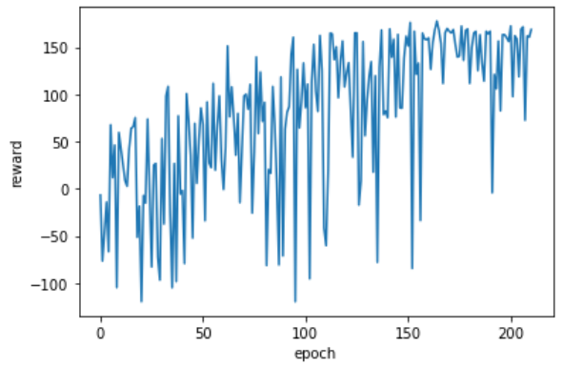
 |  |  | model-velocity-based_1500steps.h5
 | Base |  | RL Agent Velocity-Based |  | RL Agent Acceleration-Based | Training for RL Velocity-Based
 | This vehicle attempts to drive 10 m/s at all times |  | This vehicle uses an RL model to find the best speed to satisfy the reward function which keeps the vehicle as close to 10 m/s as possible for the entire drive. Calculated at every intersection. |  | RL Model to find best acceleration to keep vehicle as close to 10 m/s as possible for the entire drive. Calculated every time step.
Trial | Fuel Consumption per Meter | Reward | Fuel Consumption per Meter | Reward | Fuel Consumption per Meter
1 | 61.54 |  | 44.58 |  | 116.56
2 | 55.14 |  | 46.83 |  | 113.24
3 | 55.68 |  | 46.21 |  | 117.56
4 | 58.95 |  | 44.58 |  | 116.40
5 | 57.88 |  | 46.53 |  | 121.19
6 | 57.56 |  | 44.79 |  | 113.41
7
8
9 |  |  |  |  |  | Training Plot for Acceleration Based
10
Average | 57.79 |  | 45.58 |  | 116.39

new stuff
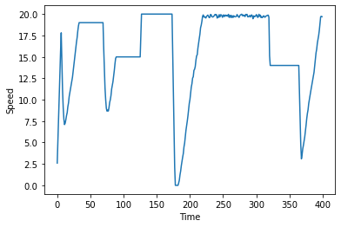
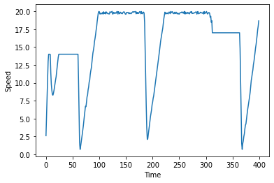
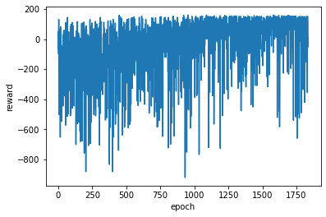
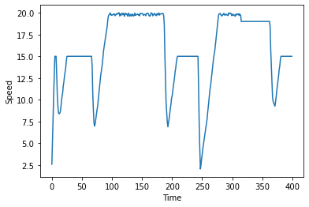
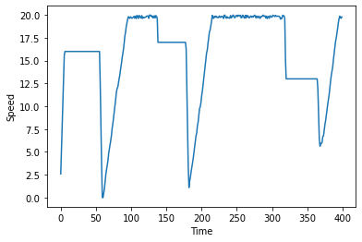
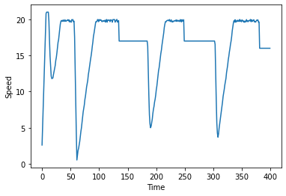
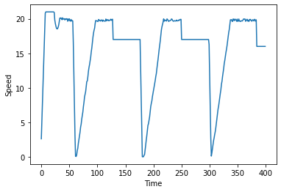
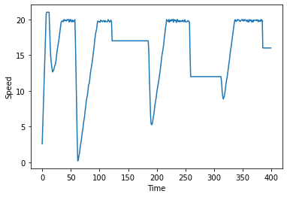
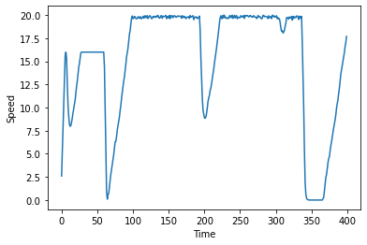
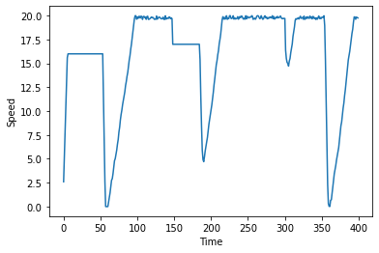
These plots are from an agent that was in traffic. It's only knowledge of the traffic is how many cars are in its lane (no speed knowledge or distances)
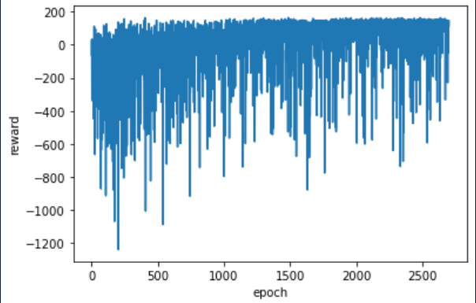
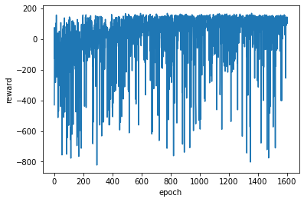
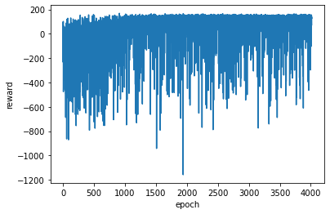
 |  |  |  | model-velocity_based_30000.h5

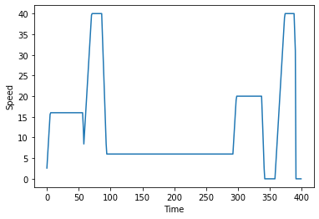
 |  |  | this was with only 1600 episodes and it was difficult to see the learning

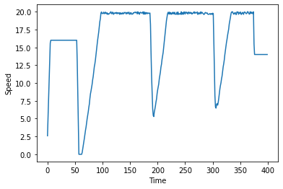
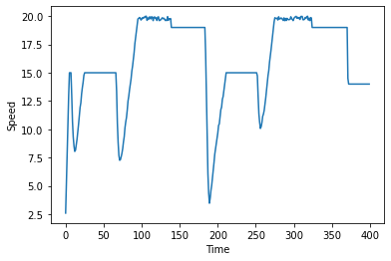
Takes a lot more episodes, but slowly learning with traffic
 |  |  |  |  | 2nd training for 30000 on lab 3040
Below is same plot with only positive reward values plotted | Couple Fuel Econ Stats |  |  | 57.510848939 | 58.88
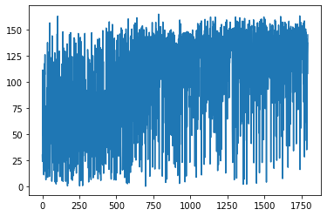
 | all in mL over 400s |  |  | 53.321522987 | 56.88
 | 56.214728915 |  |  | 69.810628879 | 56.83
 | 50.855851322 | plot on right |  | 82.913693646 | 59.22
 | 55.696652816 |  |  | 55.268045832 | 53.16
 | 56.500208049 | plot on right |  | 55.47470601 | 58.83
 | 55.473038251 |  |  | 55.032721661
 | 52.853714812 | plot on right |  | 56.306273234
 | 55.039542822 |  |  | 55.906917208
 | 53.08781155 |  |  | 55.804629374
 | 54.381807708 |  |  | 55.442090438
 | Average |  |  |  | NOT BETTER THAN BASELINE
 | 54.455928472 | around 5% improvement |  | 59.344734383

